Data Analysis Goals
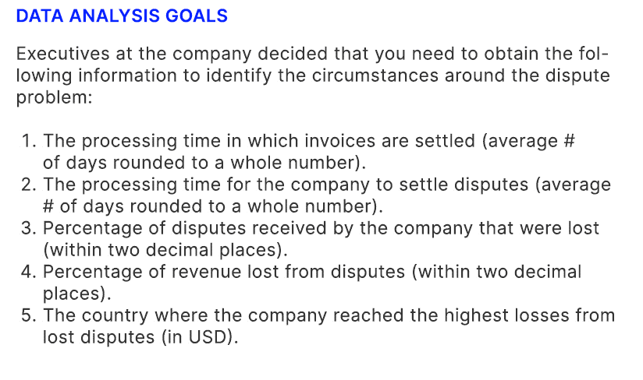

Charts
The typical days required to pay invoices is 26 days
 | Total
China | 23
Spain | 25
France | 28
United States | 28
Russia | 29
In comparison to all disputes, there is a 17.69% loss rate
 | Not Disputed | Disputed
United States | 96.25% | 3.75%
Spain | 93.22% | 6.78%
China | 91.80% | 8.20%
Russia | 91.28% | 8.72%
France | 65.77% | 34.23%
Revenue loss is close to 5%, and nearly 4% of it came from France
 | Not Disputed | Disputed
Spain | $1,617,802 | $17,046
United States | $2,715,141 | $22,936
China | $3,962,266 | $42,630
Russia | $2,368,915 | $81,291
France | $3,416,027 | $526,264

1. Russia has the longest average processing time of 29 days; while China has the shortest, with | 3. France has the highest percentage of lost disputes, with a value of 34.23%. While the United | 5. France has the highest invoice amount lost in disputes, with a value of $526,264. While
an average of 23 days. The average processing time with the whole dataset is 26 days. | States has the lowest percentage of lost disputes at 3.75% | Spain has the lowest invoice amount lost in disputes, with a value of $17,046

The typical time to resolve disputes is 36 days or 10 days longer than usual to pay invoices
 | Total
France | 34
China | 34
Spain | 37
Russia | 38
United States | 41
The total amount of dispute is 4.67% and France contributed 3.56%
 | Not Disputed | Disputed
Spain | 98.96% | 1.04%
United States | 99.16% | 0.84%
China | 98.94% | 1.06%
Russia | 96.68% | 3.32%
France | 86.65% | 13.35%

2. The United States has the longest average processing time to settle disputes, with an average | 4. France has the highest percentage of revenue lost, with a value of 13.35%. While the United
of 41 days. France has the shortest average processing time to settle disputes, with an average | States has the lowest percentage of revenue lost, with a value of 0.84%
of 34 days. The average processing time to settle disputes with the whole dataset is 36 days.

Codes in pgAdmin4
Creating a table in pgAdmin4 to import the dataset CREATE TABLE IF NOT EXISTS yellevate_invoices ( country VARCHAR, customer_ID VARCHAR, invoice_number NUMERIC, invoice_date DATE, due_date DATE, invoice_amount_usd NUMERIC, disputed NUMERIC, dispute_lost NUMERIC, settled_date DATE, days_to_settle INTEGER, days_late INTEGER ); | 1. Computing/checking for the processing time in which invoices are settled (average # of days rounded to a whole number) SELECT country, ROUND(AVG(days_to_settle)) AS average_days_to_settle FROM yellevate_invoices GROUP BY country SELECT ROUND(AVG(days_to_settle)) AS days_settled FROM yellevate_invoices; | 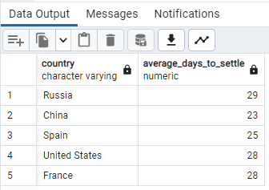 |  | 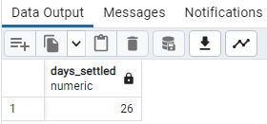

Checking the table to see the data inside SELECT * FROM yellevate_invoices; | 2. Computing/checking for the processing time for the company to settle disputes (average # of days rounded to a whole number) SELECT country, ROUND(AVG(days_to_settle)) AS settle_dispute_average_day FROM yellevate_invoices WHERE disputed = 1 GROUP BY country; SELECT ROUND (AVG(days_to_settle)) AS days_to_settle FROM yellevate_invoices WHERE disputed = 1; | 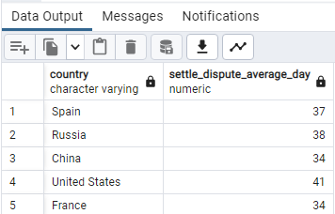 |  | 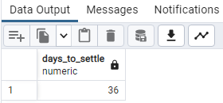

In the data dictionary, customer_ID & invoice_number have both unique values so we need to check for any duplicates SELECT customer_id, invoice_number, COUNT(*) FROM yellevate_invoices GROUP BY customer_id, invoice_number HAVING COUNT (*) > 1; | 3. Computing/getting the percentage of disputes received by the company that were lost (within two decimal places) SELECT country, ROUND (AVG(dispute_lost) * 100, 2) AS percentage_lost_disputes FROM yellevate_invoices GROUP BY country, disputed HAVING disputed = 1 ORDER BY percentage_lost_disputes DESC; SELECT ROUND (AVG(dispute_lost) * 100, 2) AS percentage_lost_disputes FROM yellevate_invoices WHERE disputed = 1 ORDER BY percentage_lost_disputes DESC; |  | 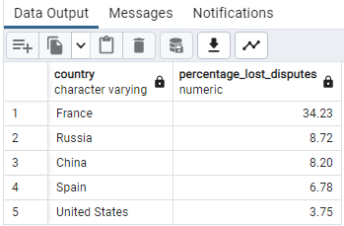 | 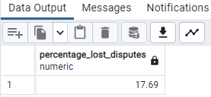

 | 4. Computing/getting the percentage of revenue lost from disputes (within two decimal places) SELECT country, ROUND(SUM(invoice_amount_usd) / (SELECT SUM(invoice_amount_usd) FROM yellevate_invoices) * 100, 3) FROM yellevate_invoices GROUP BY country, dispute_lost HAVING dispute_lost = 1; SELECT ROUND(SUM(invoice_amount_usd) / (SELECT SUM(invoice_amount_usd) FROM yellevate_invoices) * 100, 2) FROM yellevate_invoices GROUP BY dispute_lost HAVING dispute_lost = 1; |  | 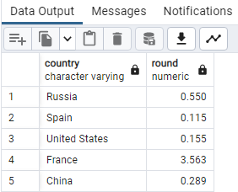 | 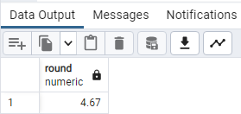

 | 5. Computing/checking for the country where the company reached the highest losses from disputes SELECT country, SUM(invoice_amount_usd) AS invoice_amount_lost_in_disputes FROM yellevate_invoices GROUP BY country, dispute_lost HAVING dispute_lost = 1 ORDER BY SUM(invoice_amount_usd) DESC; |  | 